Phone to Name
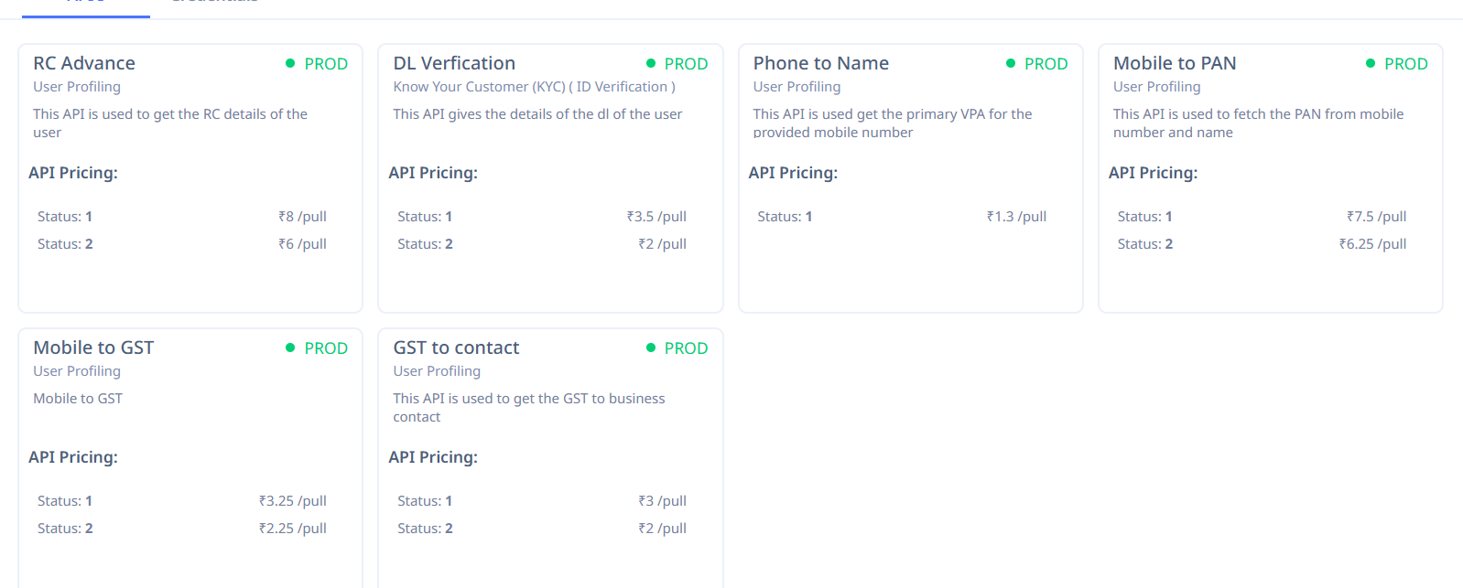
S.No
1 | {
2 | "name": "ANIL KUMAR",
3 | "status": "1"
 | }

